Calculations
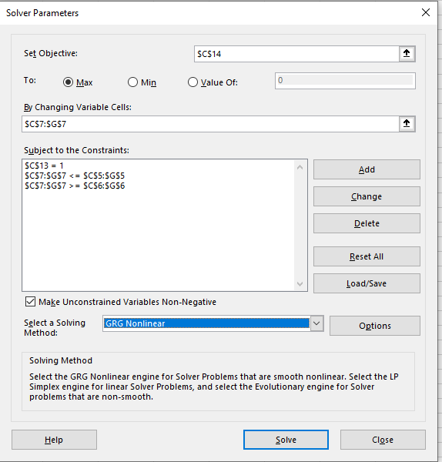
Optimization by Solver
Security | SPY | BND | GLD | VTI | QQQ
Annual Return | 1.9% | -4.5% | 6.4% | -0.3% | -0.9%
Standard Deviation | 19.6% | 6.7% | 14.4% | 20.2% | 26.0%
Max Weight | 35.0% | 35.0% | 35.0% | 35.0% | 35.0%
Min Weight | 15.0% | 15.0% | 15.0% | 15.0% | 15.0%
Weight | 20.0% | 15.0% | 35.0% | 15.0% | 15.0%

Portfolio Summary
Annual Return | 1.75%
Standard Deviation | 12.88%
Risk free rate | 2.00%
Total Weight | 100.00%
Sharp Ratio | -0.0193

Covarience Matrix
 | SPY | BND | GLD | VTI | QQQ
SPY | 0.00015202355253 | 1.2171660269E-05 | 1.65742821E-05 | 0.00015564218723 | 0.00019154938304
BND | 1.2171660269E-05 | 1.7768039401E-05 | 1.6856756728E-05 | 1.2533454818E-05 | 1.8015155632E-05
GLD | 1.65742821E-05 | 1.6856756728E-05 | 8.2610677915E-05 | 1.7003421636E-05 | 1.8515505546E-05
VTI | 0.00015564218723 | 1.2533454818E-05 | 1.7003421636E-05 | 0.00016093670734 | 0.00019745675877
QQQ | 0.00019154938304 | 1.8015155632E-05 | 1.8515505546E-05 | 0.00019745675877 | 0.00026701131698

